info_class
GBA herkomst | label | class |  | factor values
LAND_ETNG_mo | geboorteland van biologische ouder 1 gegroepeerd naar migratieachtergrond | factor | 0 | autochtoon
op basis van GBAHERKOMSTGROEPERING |  |  | 1 | marokko
 |  |  | 2 | turkije
 |  |  | 3 | suriname
 |  |  | 4 | voormalige nederlandse antillen en aruba
 |  |  | 5 | overige niet-westerse landen
 |  |  | 6 | overige westerse landen
 |  |  | 7 | onbekend
LAND_ACHTS_mo | geboorteland van biologische ouder 1 gegroepeerd naar standaard landcodering in 9 groepen (wo EU-groepen) | factor | 1 | Nederland
op basis van GBAHERKOMSTGROEPERING |  |  | 2 | EU-15, andere ontwikkelde economieën
 |  |  | 3 | nieuwe EU-landen en economieën in transitie
 |  |  | 4 | noord-afrika
 |  |  | 5 | oost-Azië
 |  |  | 6 | overig afrika, overig azië, overig latijns Amerika
 |  |  | 7 | Suriname en (voormalig) Nederlandse Antillen
 |  |  | 8 | Turkije
 |  |  | 9 | Onbekend
LAND_ETNG_fa | geboorteland van biologische ouder 2 gegroepeerd naar migratieachtergrond | factor | 0 | autochtoon
op basis van GBAHERKOMSTGROEPERING |  |  | 1 | marokko
 |  |  | 2 | turkije
 |  |  | 3 | suriname
 |  |  | 4 | voormalige nederlandse antillen en aruba
 |  |  | 5 | overige niet-westerse landen
 |  |  | 6 | overige westerse landen
 |  |  | 7 | onbekend
LAND_ACHTS_fa | geboorteland van biologische ouder 2 gegroepeerd naar standaard landcodering in 9 groepen (wo EU-groepen) | factor | 1 | Nederland
op basis van GBAHERKOMSTGROEPERING |  |  | 2 | EU-15, andere ontwikkelde economieën
 |  |  | 3 | nieuwe EU-landen en economieën in transitie
 |  |  | 4 | noord-afrika
 |  |  | 5 | oost-Azië
 |  |  | 6 | overig afrika, overig azië, overig latijns Amerika
 |  |  | 7 | Suriname en (voormalig) Nederlandse Antillen
 |  |  | 8 | Turkije
 |  |  | 9 | Onbekend

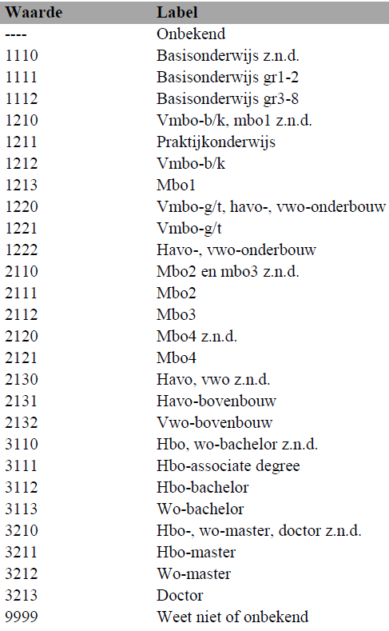
Education level | label | class |  | factor values | NEW
 |  | factor |  | see image
 |  |  |  |  | basis
 |  |  |  |  | vmbo_hg
 |  |  |  |  | mbo2
 |  |  |  |  | mbo3_4
 |  |  |  |  | havovwo_hg
 |  |  |  |  | hbo_wo

PLHH | label | class |  | factor values
 |  | factor |  | see image
source: https://www.cbs.nl/nl-nl/onze-diensten/maatwerk-en-microdata/microdata-zelf-onderzoek-doen/microdatabestanden/gbahuishoudensbus-huishoudenskenmerken
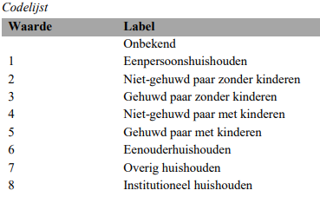

TYPHH | label | class |  | factor values
 |  | factor |  | see image
source: https://www.cbs.nl/nl-nl/onze-diensten/maatwerk-en-microdata/microdata-zelf-onderzoek-doen/microdatabestanden/gbahuishoudensbus-huishoudenskenmerken
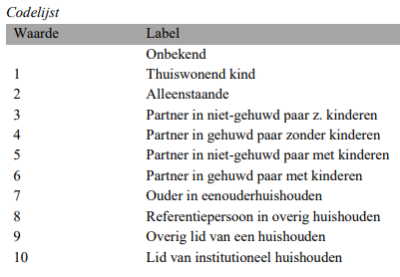

COROP2020 | label | class |  | factor values
 |  | factor |  | see image

